Read Me
General Instructions

This template can be used to document integration requirements for customer developed integrations with SAP S/4HANA Cloud. Adjust the form as needed. For Example add additional fields as you see useful.

Tab Name | Description
Interface Details | This tab provides detailed technical information on the interface regarding APIs used, URLs of APIs, authentication requirements, etc. The data capture on this tab is flexible and intended to be adjusted based on scenario. Adjust the columns as needed, add columns and lines as required. The goal of this tab is to document all technical details of all participating systems in the integration.
Interface Diagram | If required, you can paste a picture of the integration scenario here showing a visual picture of the interface.
Mapping Details | This tab will outline interface logic in terms of how the APIs will be called (input parameters, filters), mapping logic and field to field mapping between source and target systems
Testing | Document test results.
File Format SFTP | In the case of SFTP scenarios, this tab can be used to document the flat file format, naming conventions, etc
Example | Use this tab to provide an example of the interface logic. For example, you could show a sample scenario using Postman to call the APIs

Interface Diagram
Interface Diagram

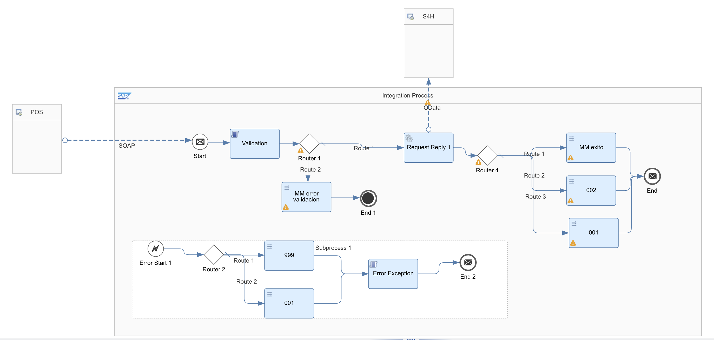

iFlow Diagram (to be entered after iFlow is developed)

Testing
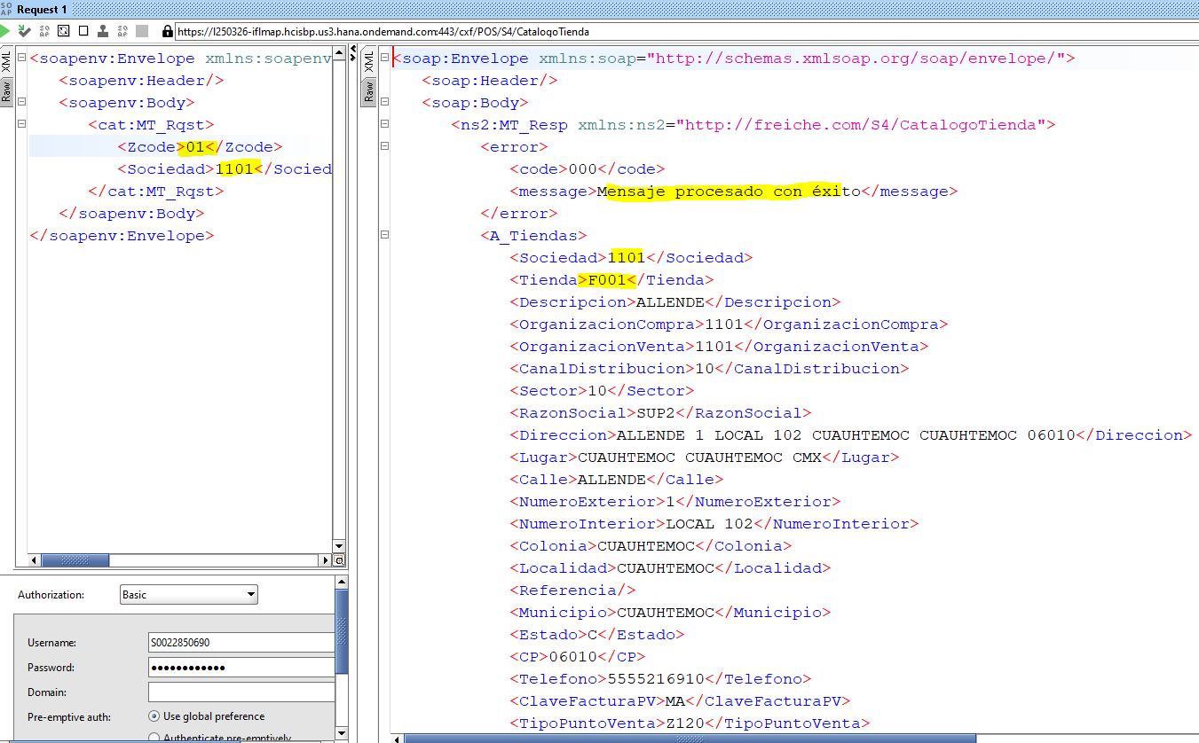
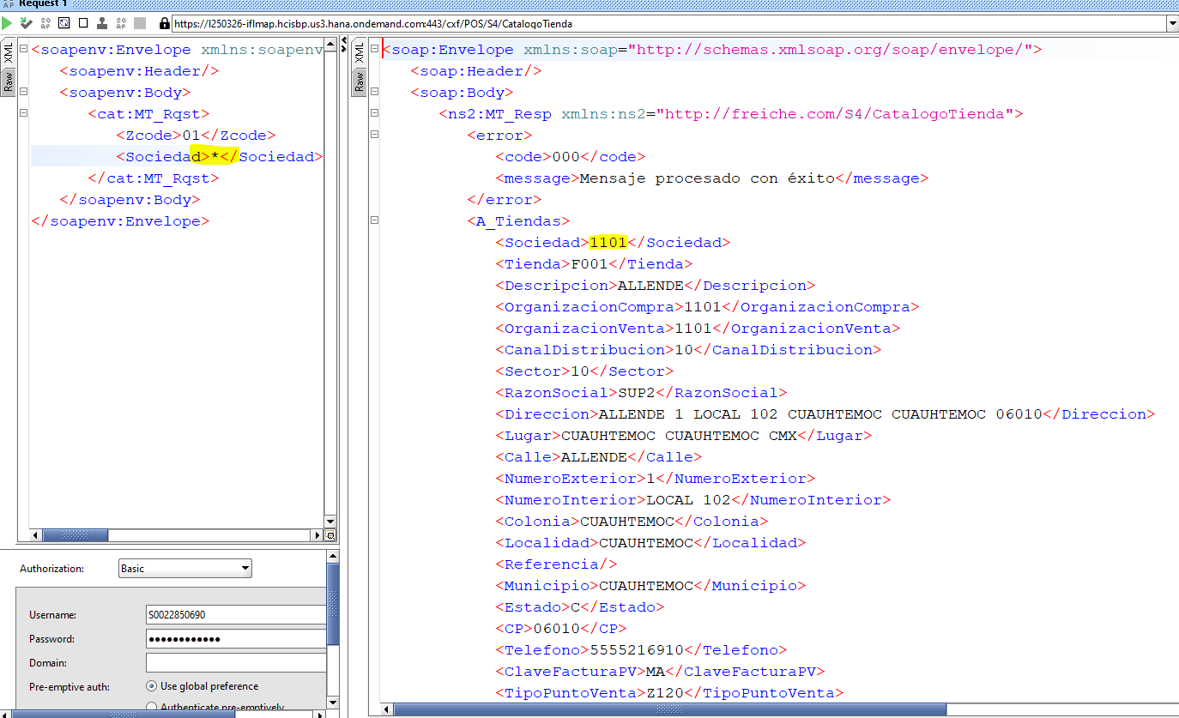
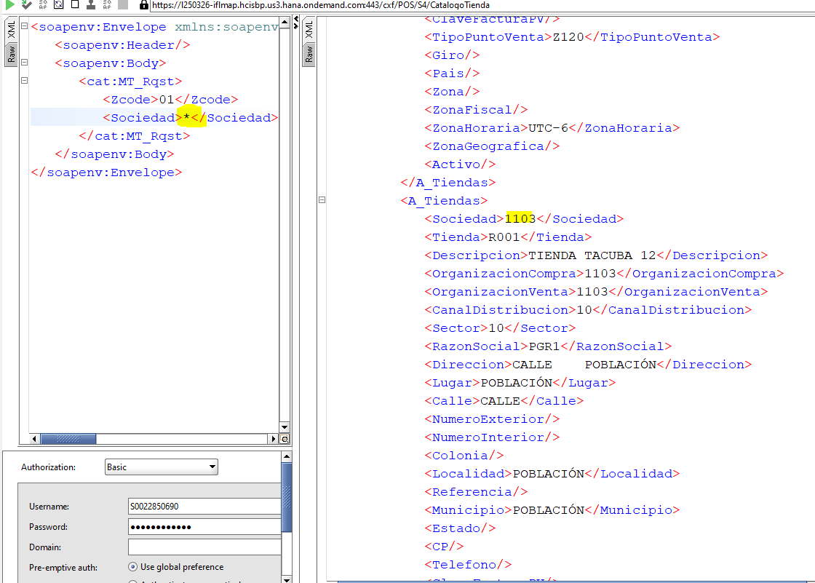
Unit Test Cases and Results

